Sheet1
Bug Report

Id | Title | Summary | Type | Description |  |  | Severity | Expected Result | Actual Result
 |  |  |  | Steps to Reproduce | Test Data Used | Screenshots

B1001 | System become irresponsive when user click Number "10 or 50" | To see number of products, multiple option are therer but they are not responding when clicked | Crash | 1. Open the Given link "https://academybugs.com/find-bugs/" 2. Multiple options are there to view number or products 3. 25 products is set by default 4. Click on 10,50 | Clicking on 10 or 50 | 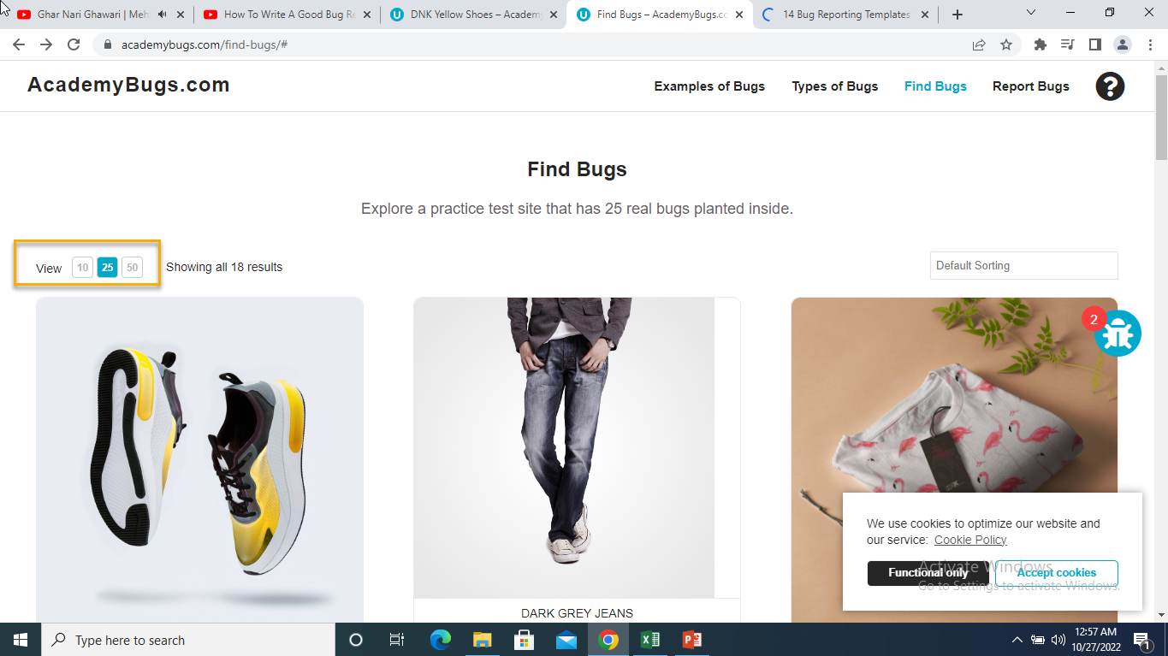 | High | No of products must be changed to 10 or 50, according to clicked button | System Craches
B1002 | System crashes when any other Currency is Selected from drop down | "USD" is selected by default, when ever user try to change Currency from drop down menu, system crashes | Crash | 1. Open the Given link "https://academybugs.com/find-bugs/" 2. Select any product 3. Open drop down menu of "Select a Currency" 4. Select any other Currency | Selecting any other Currency from Drop down i.e EUR, JPY, GBP | 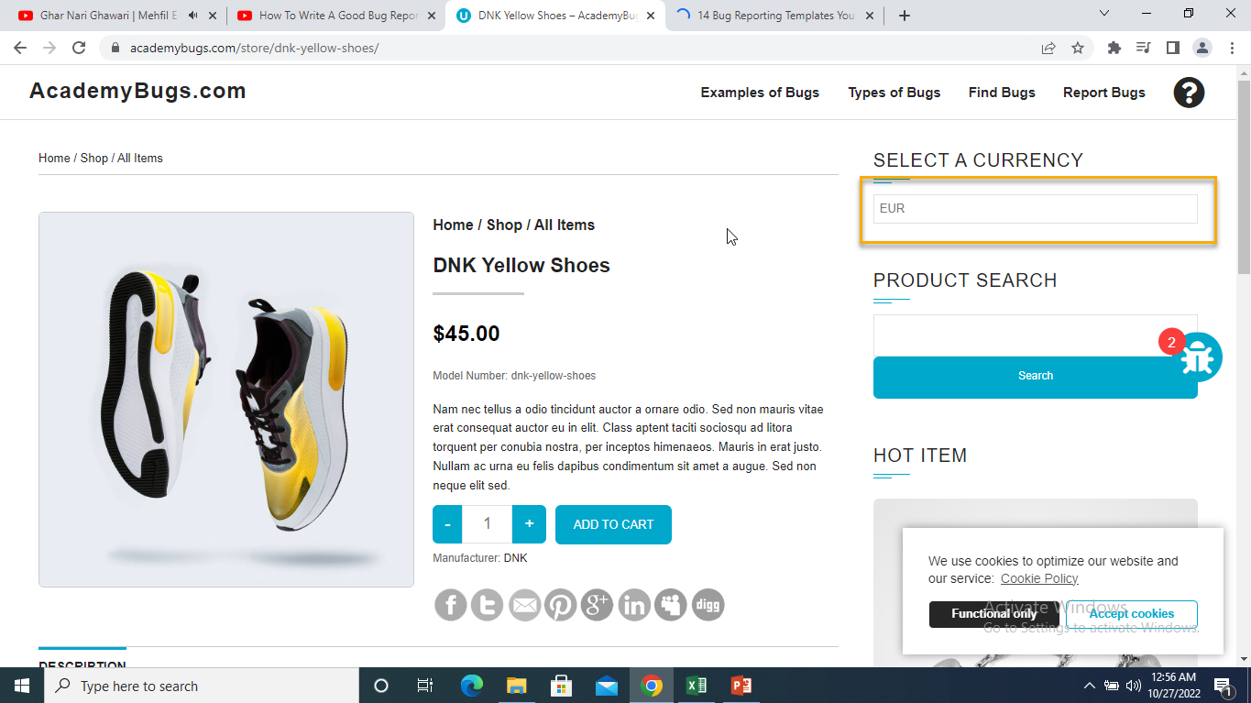 | High | Price must be changed to selected Currency | System Crashes
B1003 | Spelling of Colors is wrong | In several products. Multiple options are present for user to select required product in different colors, Spelling of "Yellow are spelled Yelow" and Spelling of "Orange are spelled as Orang" as are Incorrect | Content | 1. Open the Given link "https://academybugs.com/find-bugs/" 2. Select product which is available in multiple colors 3. Select Yellow or Orange Color from given 5 colors. | Selecting any other Selecting "Orange or Yellow Color" | 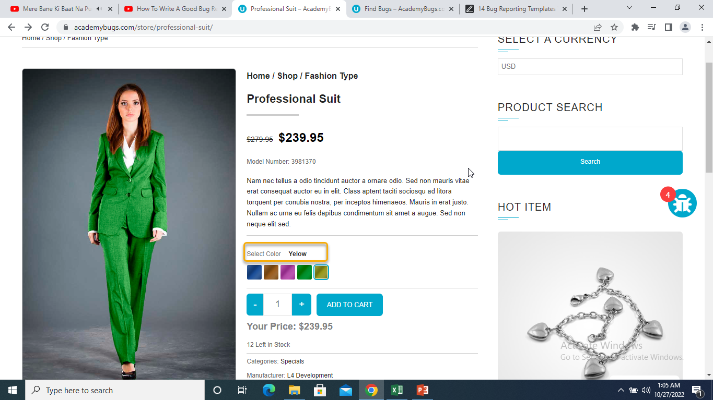 | Low | The yellow and orange colors are spelled correctly | Yellow is misspelled as "Yelow" and Orange as "Orang"
B1004 | Filter by Price doesnot work | Filter by Price having multiple options of ranges doesnot work | Functional | 1. Open the Given link "https://academybugs.com/find-bugs/" 2. Under the Heading "Filter by Price" 3. Select any of the option | Selecting any of the option mentioning different price ranges | 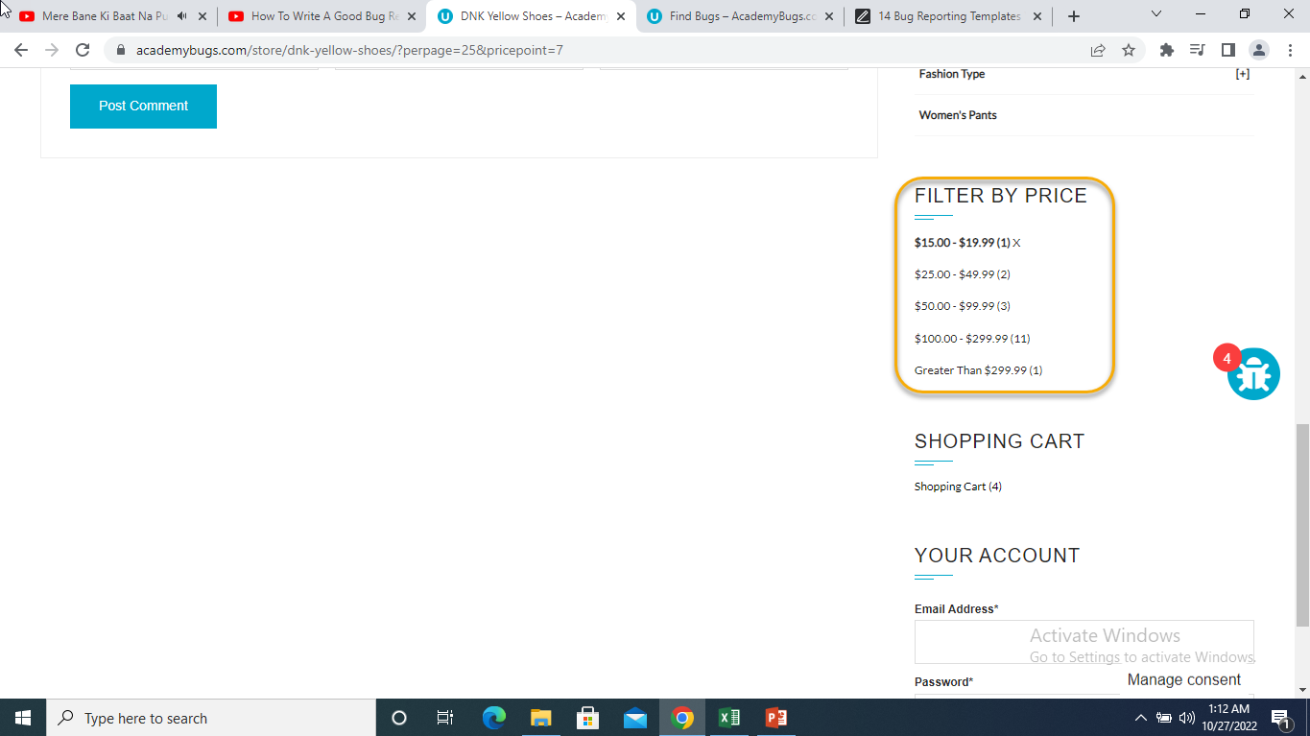 | Medium | A list of products in the selected price range is shown | The same page reloads
B1005 | product quantity cannot be increased past 2 | In shopping Cart, number of products could not exceed 2 | Functional | 1. Open the Given link "https://academybugs.com/find-bugs/" 2. Add one or more product to cart 3. Click on "View Cart" link on top of page 4. Set the product quantity to more or 3. 5. Click update below | 3,4 and onwards | 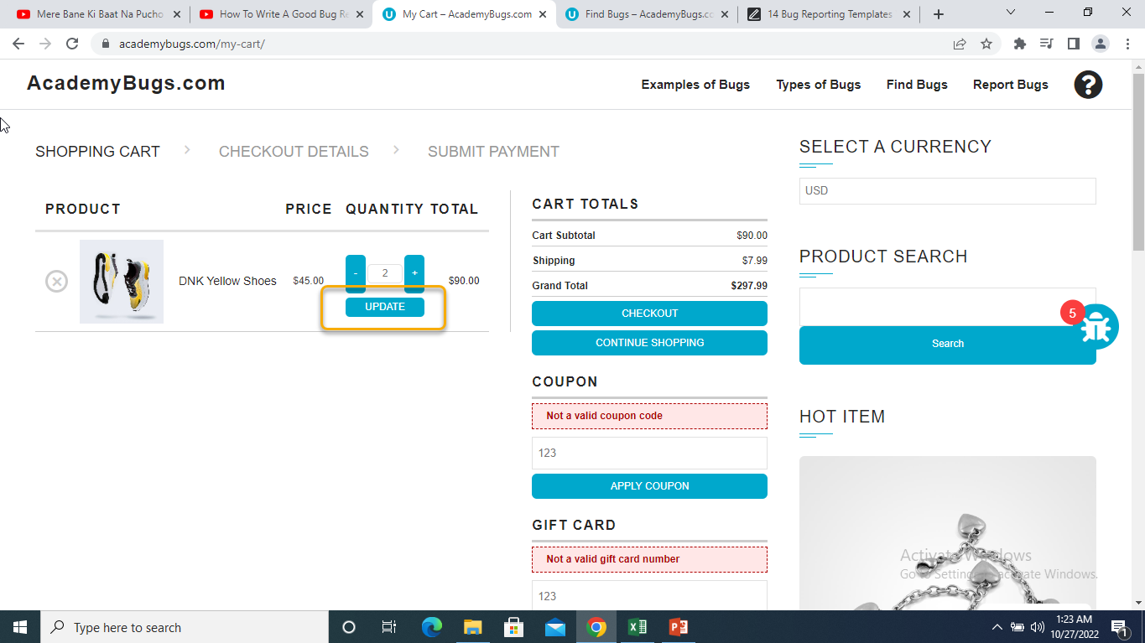 | High | The product quantity can be increased past 2 | When clicking on the update button the product quantity becomes 2 again
B1006 | Big Space between the last letter in "Return to Store" Button | there is big space before the last letter in "Return to Store". | Content | 1. Open the Given link "https://academybugs.com/find-bugs/" 2. Add one or more product to cart 3. Click on "View Cart" link on top of page 4. Delete all the products from cart. | Removing all the products friom Cart | 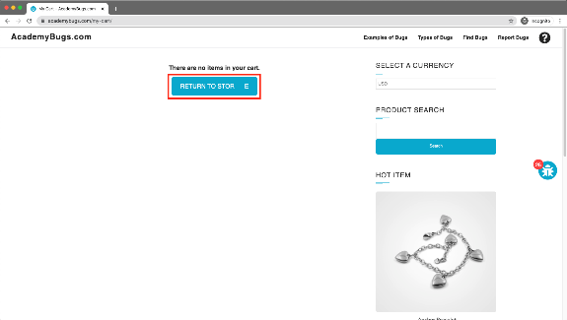 | Low | The caption of the "Return to Store" button is written with even spacing between letters | There is too much space before the last letter in "Return to Store"
B1007 | Twitter Share button is broken | Multiple social media sharing buttons are present in the product details page, but the twitter shaer button is broken | Functional | 1. Open the Given link "https://academybugs.com/find-bugs/" 2. Select any one product 3. Click the twitter share button, on the product details page | Press Twitter share button | 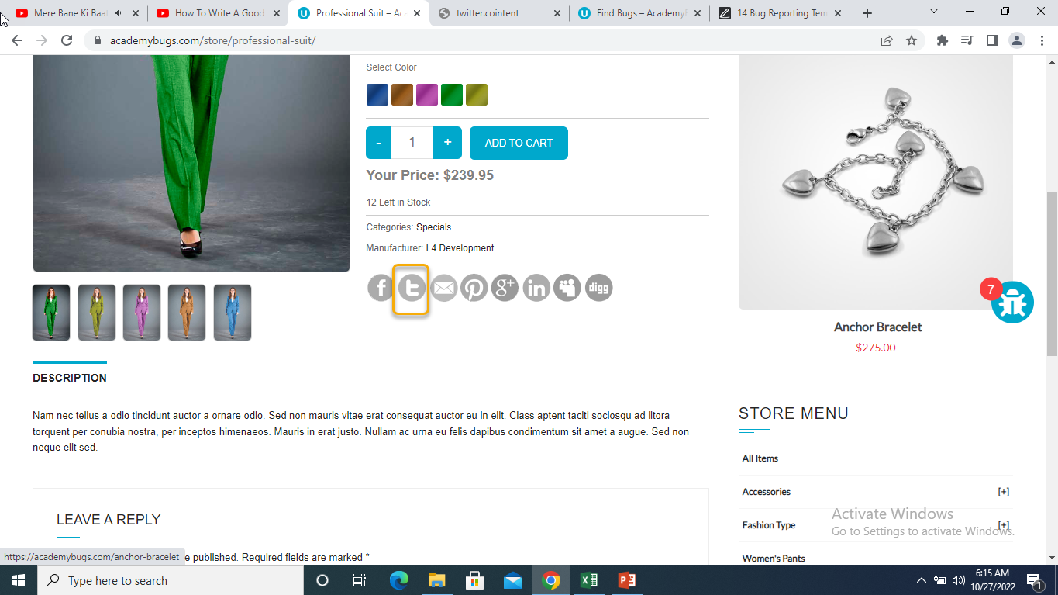 | Medium | The twitter share button shows an appropriate page | The twitter share button shows an error page
B1008 | page becomes unresponsive when clicking on the Post Comment button |  | Crash | 1. Open the Given link "https://academybugs.com/find-bugs/" 2. Select any one product 3. Press Comment Button | Click on Post Comment | 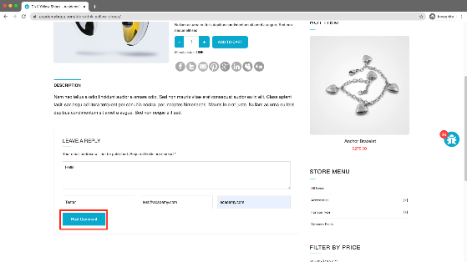 | High | The comment is posted under the product | The page becomes unresponsive when clicking on "Post Comment"
B1009 | the grand total is $100 more than the sum of all products in the cart |  | Critical | 1. Open the Given link "https://academybugs.com/find-bugs/" 2. Add one or more product to cart 3. Click on "View Cart" link on top of page 4. Uy |  | 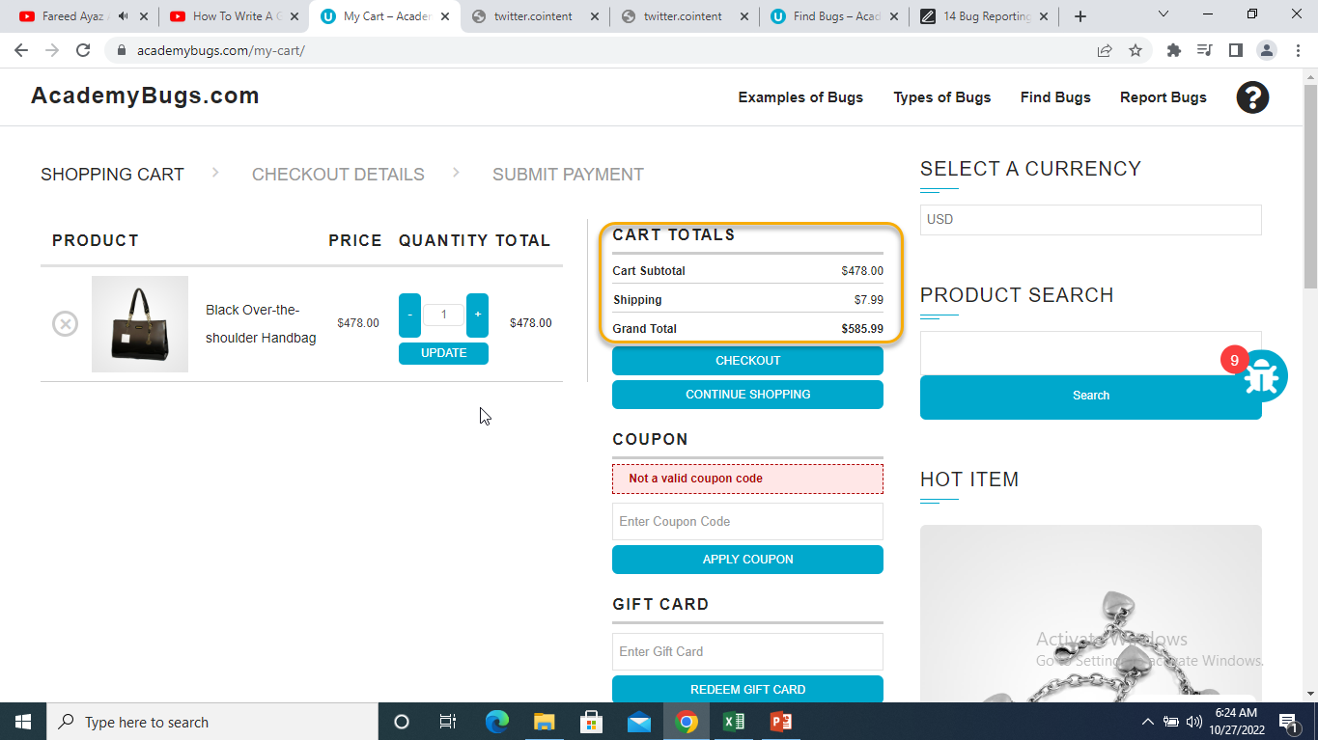 | Critical | The grand total is equal to the sum of all products in the cart | The grand total is $100 more than the sum of all products in the cart
B1010 | The page becomes unresponsive when clicking on the Retrieve Password button. |  | High | 1. Open the Given link "https://academybugs.com/find-bugs/" 2. Open any one product 3. Scroll down to the right to 'Sign Up" button. 4. Enter your email and click "Retrieve Password" | Enter email and click "Retrieve Password" | 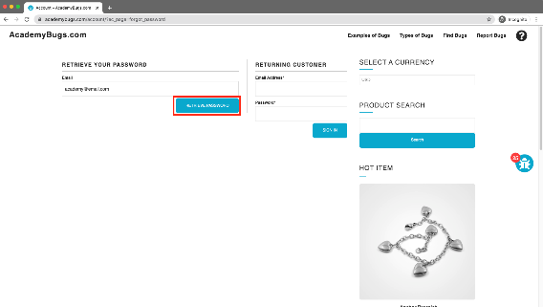 | High | The password is sent to the entered email | The page becomes unresponsive when clicking on "Retrieve Password" and no email is sent
B1011 | the text under the New User section is not in English |  | Content | 1. Open the Given link "https://academybugs.com/find-bugs/" 2. Open any one product 3. Scroll down to the right to 'Sign In" button. | Click Sign In Button | 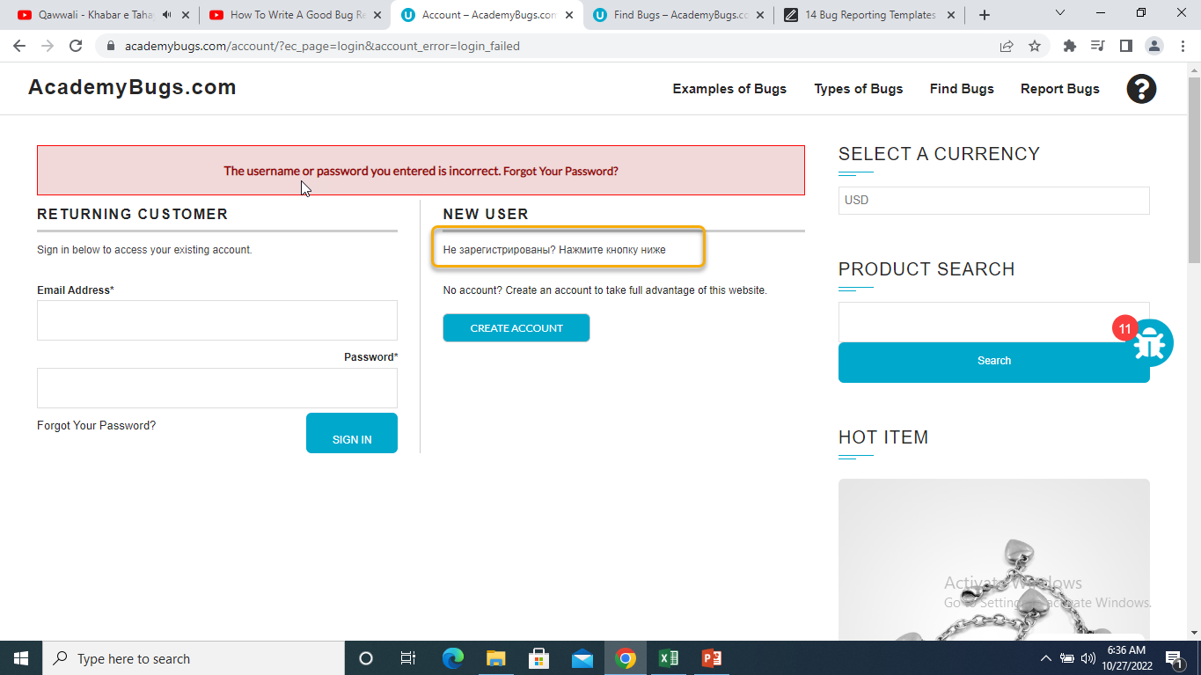 | Low | The text under the New User section is in English | The text under the New User section is in another language
B1012 | the title of the password field is misaligned. |  | Visual | 1. Open the Given link "https://academybugs.com/find-bugs/" 2. Open any one product 3. Scroll down to the right 4. Click 'Sign In" without filling the form to open the Sign In page. |  | 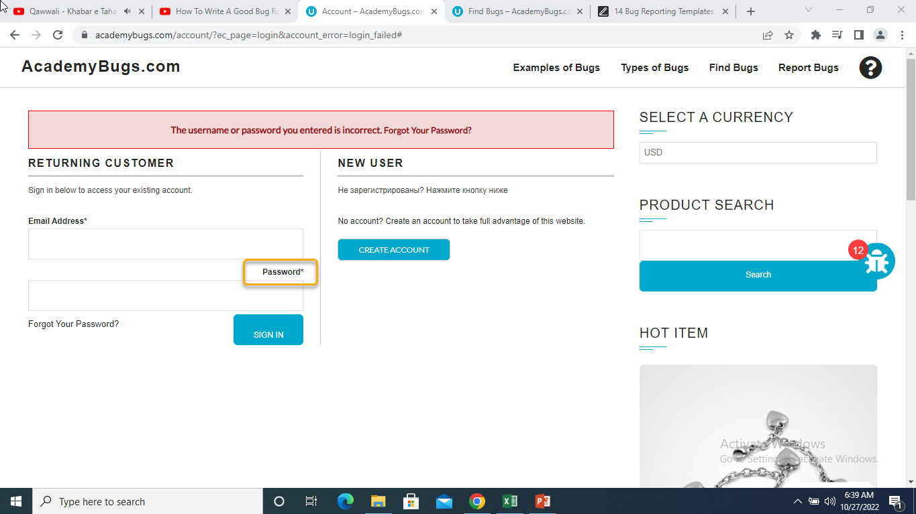 | Low | The title of the password field is aligned the same as the field above | The title of the password field is not aligned the same as the field above
B1013 | he caption of the Sign In button is misaligned vertically. |  | Visual | 1. Open the Given link "https://academybugs.com/find-bugs/" 2. Open any one product 3. Scroll down to the right 4. Click 'Sign In" button 5. Enter login and password and click "Sign In". |  | 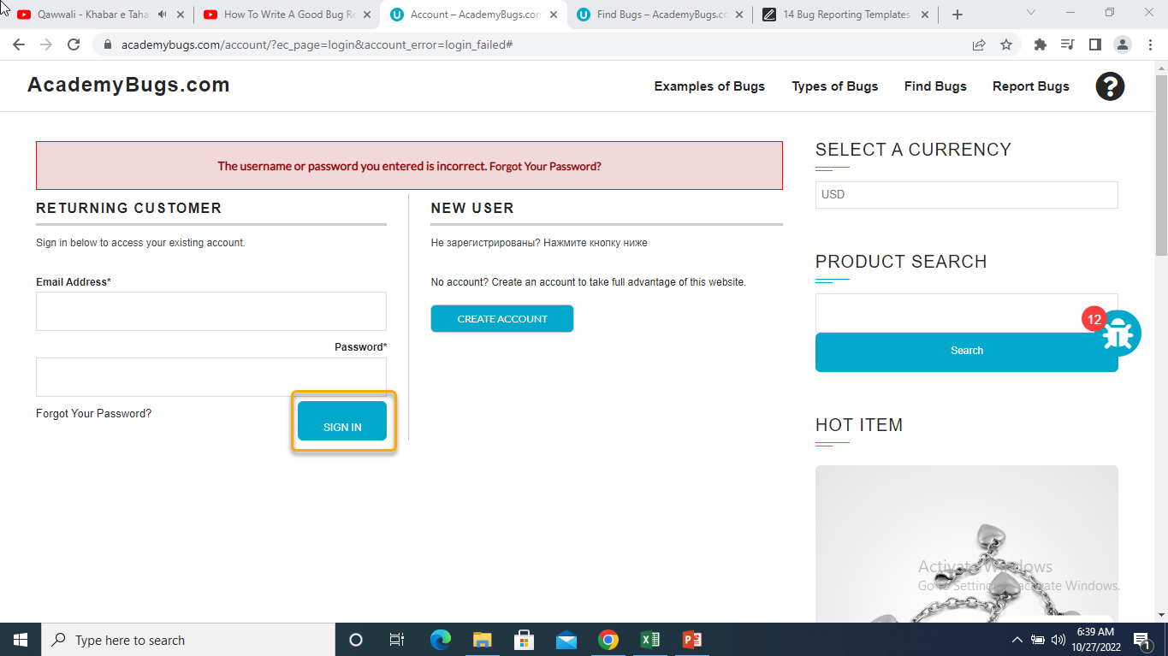 | Low | The caption of the Sign In button is centered vertically | The caption of the Sign In button is misaligned vertically
B1014 | The Sign In button overlaps the footer. |  | Visual | 1. Open the Given link "https://academybugs.com/find-bugs/" 2. Open any one product 3. Scroll down to the bottom of the right side menu. |  | 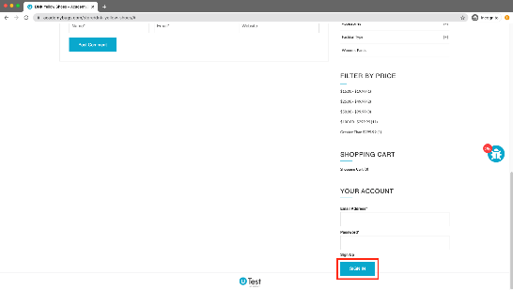 | Low | The Sign In button is above the footer | The Sign In button overlaps the footer
B1015 | the short description and description of the product are not in English. |  | Content | 1. Open the Given link "https://academybugs.com/find-bugs/" 2. Open any product |  | 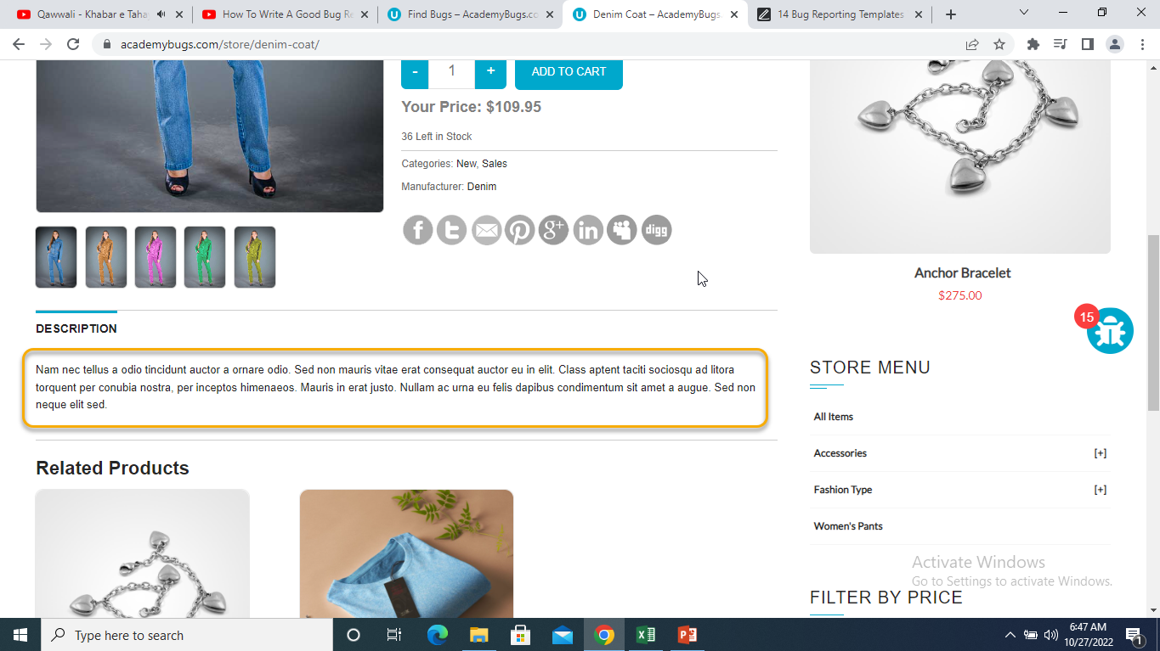 | Medium | The short description and description of the product are in English | The short description and description of the product are not in English
B1016 | there are unreadable symbols in the shopping cart popup. |  | Content | 1. Open the Given link "https://academybugs.com/find-bugs/" 2. Add any one product to the Cart 3. Click "View Cart" on top of the page 4. Scroll down to shopping cart section of the right side menu 5. Hover over the shopping cart option |  | 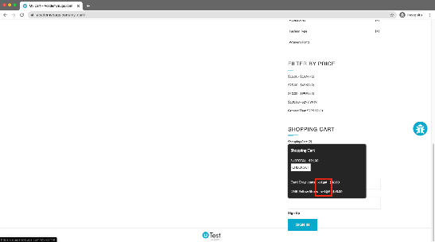 | Low | All characters are clear to a regular user | There are unreadable symbols in the shopping cart popup
B1017 | the billing address loads infinitely. |  | Performance | 1. Open the Given link "https://academybugs.com/find-bugs/" 2. Add any one product to the Cart 3. Open a product 4. Sign up if you are not signed up or log in at the bottom of right side menu 5. At the bottom of the right side menu select Dashboard 6.Scroll up to the Billing Address section |  | 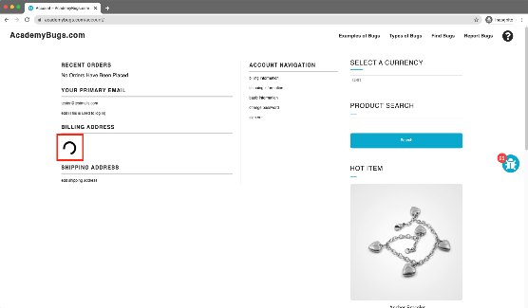 | Medium | The Billing Address section shows appropriate info | The Billing Address section loads infinitely
B1018 | the page becomes unresponsive when clicking on the Retrieve Password button. |  | Crash | 1. Open the Given link "https://academybugs.com/find-bugs/" 2. Add any one product to the Cart 3. Open a product 4. Scroll down to the Your Account section of the right side menu 5. Click "Sign Up" 6. In the Returning Customer section click "Forgot Your Password?" 7. Enter your email in the field and click "Retrieve Password" |  | 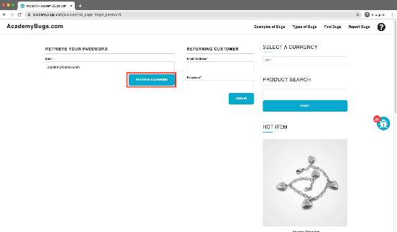 | High | The password is sent to the entered email | The page becomes unresponsive when clicking on "Retrieve Password" and no email is sent
B1019 | the manufacturer link in the product details page is broken. |  | Functional | 1. Open the Given link "https://academybugs.com/find-bugs/" 2. Add any one product to the Cart 3. Open a product 4. Click the manufacturer link under the quantity |  | 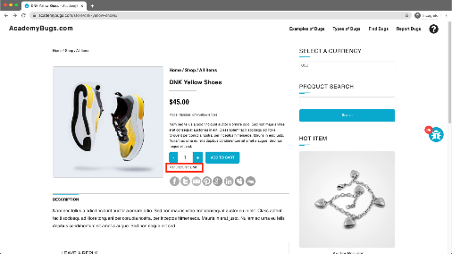 | Medium | The manufacturer link shows an appropriate page | The manufacturer link opens an error page
B1020 | the image is not completely displayed. |  | Visual | 1. Open the Given link "https://academybugs.com/find-bugs/" 2. Click on "Dark Grey Jeans" |  | 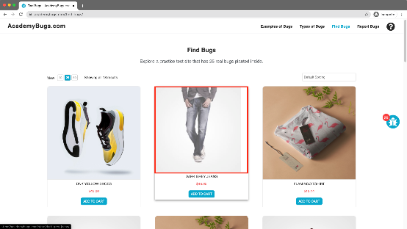 | Medium | The product image fills the box entirely | The image has a white space on the right
B1021 | the My Space share page loads infinitely. |  | Performance | 1. Open the Given link "https://academybugs.com/find-bugs/" 2. Add any one product to the Cart 3. Click "My Space Share Link" |  | 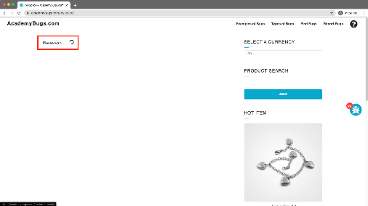 | low | The user is able to share the product through My Space | My Space share page loads infinitely
B1022 | the order history loads infinitely. |  | Performance |  |  |  | high | Your Order History section shows appropriate info | Your Order History section loads infinitely
B1023 | the product in the Hot Item section keeps loading |  | Performance | 1. Open the Given link "https://academybugs.com/find-bugs/" 2. Open a product 3. Click "My Space Share Link" 4. open the product in the hot item section of the right side menu |  |  | high | The product in the Hot Item section is displayed | The page loads infinitely
B1024
B1025

